ea
 |  |  |  | EMPORIO ARMANI BEACH SHOES SS20

 |  |  | SIZE | SIZE | SIZE | SIZE | SIZE | SIZE | SIZE
MODEL | REFERENCE | COLOUR | 39 | 40 | 41 | 42 | 43 | 44 | 45 | TOTAL | UNIT PRICE € | TOTAL PRICE €
X4PS01 | XL828 | A120 Black | 30 | 60 | 120 | 120 | 120 | 60 | 30 | 540 | 19.5 | 10530
X4PS01 | XL828 | D813 Navy | 25 | 50 | 100 | 100 | 100 | 50 | 25 | 450 | 19.5 | 8775
X4PS01 | XL828 | K474 Grey | 25 | 50 | 100 | 100 | 100 | 50 | 25 | 450 | 19.5 | 8775
X4PS01 | XL828 | M586 White | 20 | 40 | 80 | 80 | 80 | 40 | 20 | 360 | 19.5 | 7020
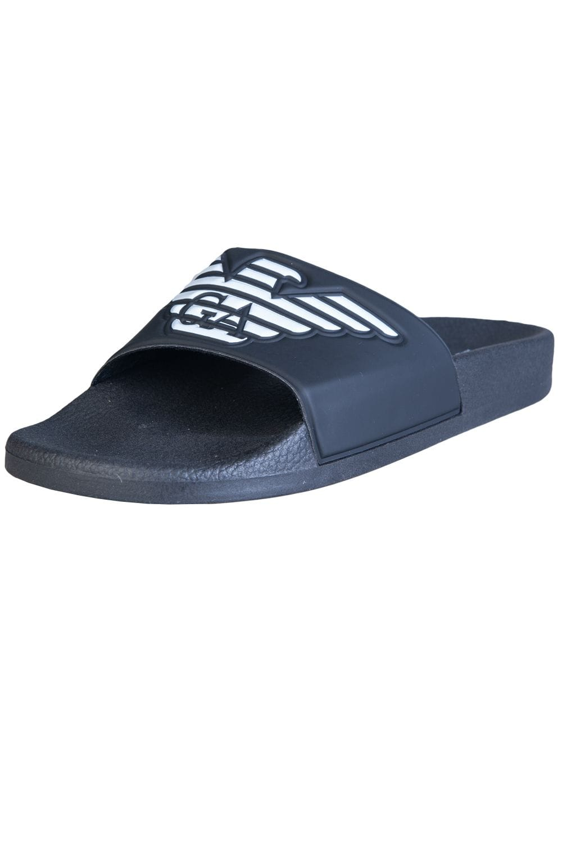
 |  |  |  |  |  |  |  |  |  | 1800
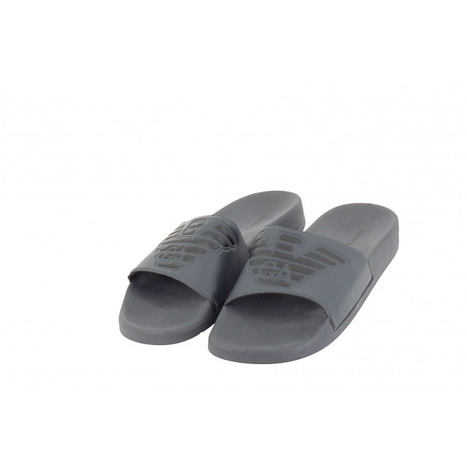

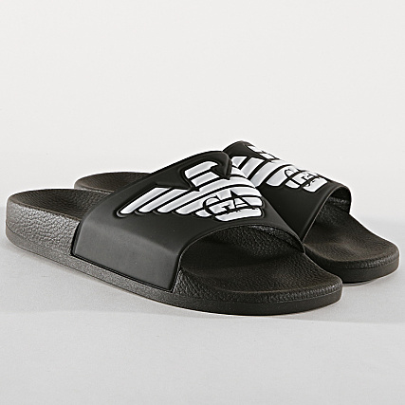
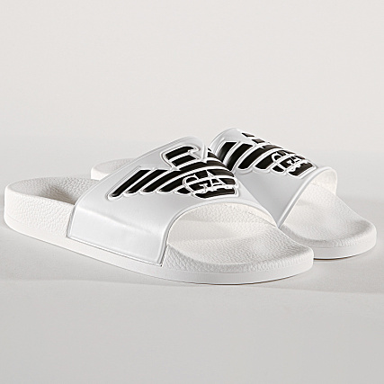

A120 Black

A120 Black |  | D813 Navy |  |  | K474 Grey |  | M586 White

